Test case template
Център за обучение по софтуерно тестване Website: http://skillo-bg.com

Bug ID | PSB006
Name | Problem with the "Filtered Search" button
Priority | P1
Severity | S1
Description
Steps to reproduce | 1. Open https://www.phptravels.net/hotels/search/0/0/97/0 2. Set your criteria 3. Press "Search" Expected result: The program displays variants from the specified parameters Actual result: Filter loses the specified criteria and does not show the information requested by us
Attachment | 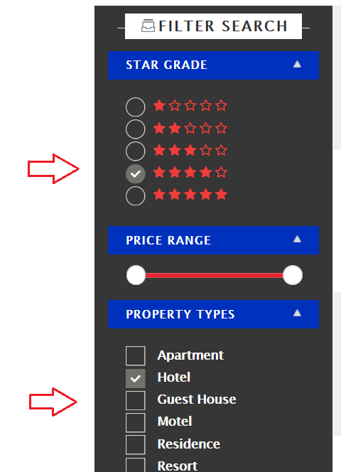 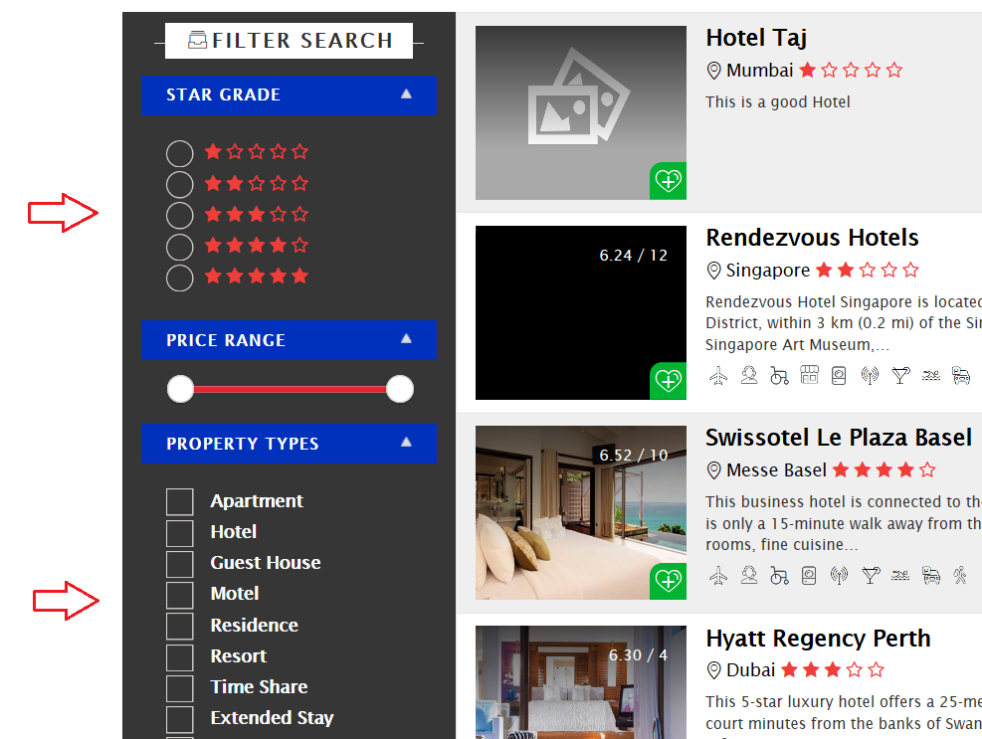 -
Status | Opened
Component
Version/Build number (Found in)
Environment | Windows 10; Firefox, Chrome
Comments | -
Date Created | 17-Feb-19
Author | IM
Audit Log | IM

